Sheet1
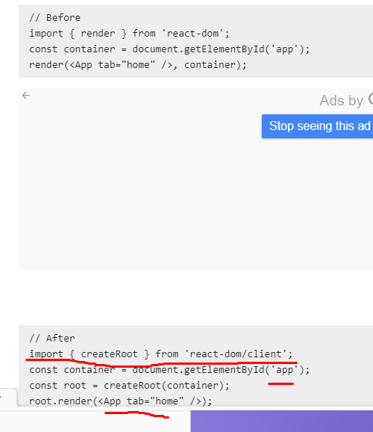
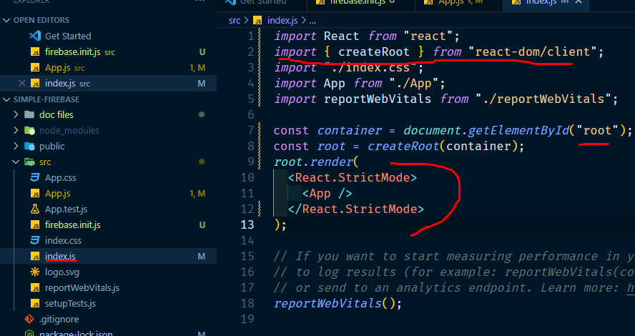
Warning: ReactDOM.render is no longer supported in React 18. Use createRoot instead

